Intro (please read FIRST!)
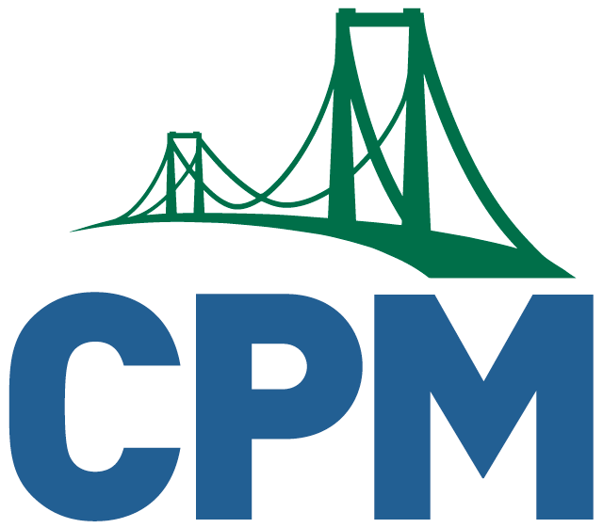
CPM Educational Program
For a more detailed explanation of what you will find contained here in our sample lesson plan, click on this link: Introductory Note.

In each guide for CC1 through CC3, you will find that the lesson planning is by section, given that you may not have the time to do full lessons every day. The core problems that should be focused on during a reduced year capacity have been suggested for you. Keep in mind that this is merely a suggestion, as you know your students, your school, your district directives, and your state mandates. The days that are listed for each section are also a guide. You may need more or less depending on the time that you have with students. Keep in mind that the number of days per section do not include any closure, assessment or remediation.

The suggested settings for working the core problems fall in to one of three categories:
* TF -- teacher-faciliated. This should be done in person or synchronously, as they require guidance from the teacher
* VT -- virtual teamwork. This may be done synchronously or asynchronously. Asynchronous (A) work should allow teams to discuss ideas and solutions.
* IS -- independent work. Often the first problem of a lesson can be done prior to meeting together. Teacher feedback is desired, but can be done asynchronously.

Some of the best lessons we have, such as the Algebra Walk or Newton's Revenge in CC3, or the Mystery Mascot from CC1, are best (and sometimes only) done in person. When planning what time you may have together in person, consider how you can incoporate these memorable problems into the limited and valuable time you have together.

Since time together may well be reduced, use the time for core problems to increase conceptual understanding leading to fluency. With the other learning activities, such as review/preview, journals, learning logs, math notes and other aspects that can be done independently, consider assigning to students outside of your time together. As with any assignment, feedback from the teacher is very valuable, but can be done asynchronously.

Remediation Resources have been included for you to help fill in gaps students may have from previous courses. Meeting with students or assigning these resources is more efective than trying to reteach content from previous courses before beginning the grade-level content in the current course.

Lastly, be conscious to factor in time to build community and care for the social and emotional safety of your students. Our need to care for students’ social and emotional safety is as important as the mathematical content. Connections, discussion and sharing about life outside of school can be helpful.

